Sheet1
T-1N4W181746A-BOM
No. Item | Mfg Part | Package/Footprint | Description / Value | Designator | Qty per board | Total Qty | Assembly Question | Reply from Customer
22 | DF13A-4P-1.25H(51) | Connector_Hirose:Hirose_DF13-04P-1.25DSA_1x04_P1.25mm_Vertical | Conn_01x04『 』n/a『 』CONN HEADER SMD R/A 4POS 1.25MM | J6 | 1 | 3 | The part is SMD part and related holes are designed on board. The part could not be soldered. | ok. Do not solder the part. Send the parts with the shipment unsoldered. | 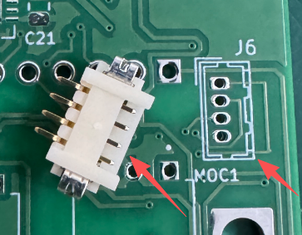 |  | 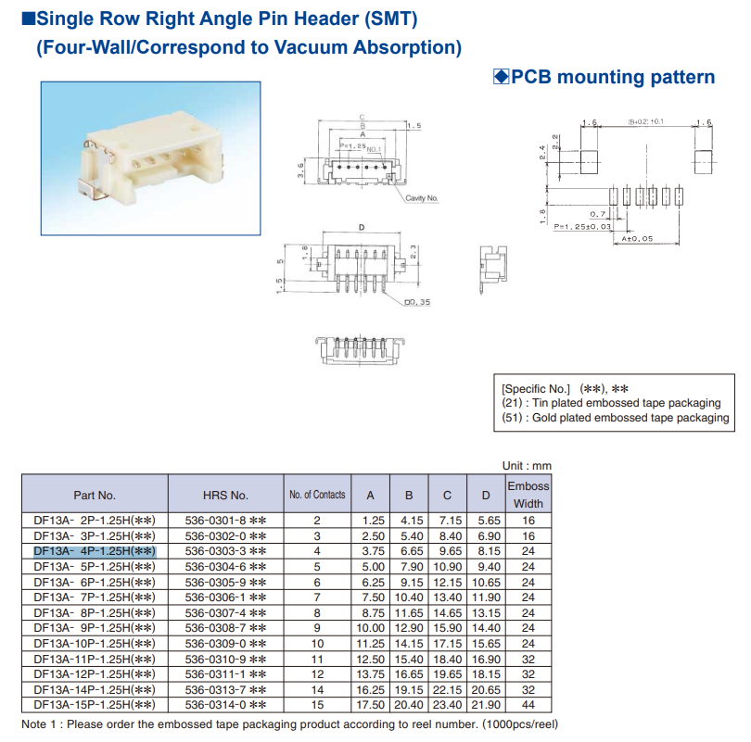
29 | MOV-14D561K | Varistors_PelletPirate:Varistor_14mm_p7.5mm | PP_14D561K『 』560V 4.5KA『 』VARISTOR 560V 4.5KA DISC 14MM | MOV1 | 1 | 3 | The part is smaller than related silkscreen frame and can be sldered on board. Pls advise. | Ok please solder the part if you can even though it is smaller than the silkscreen frame | 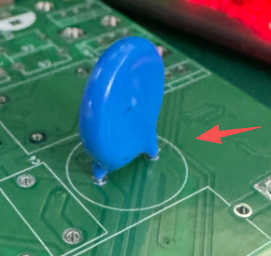 | 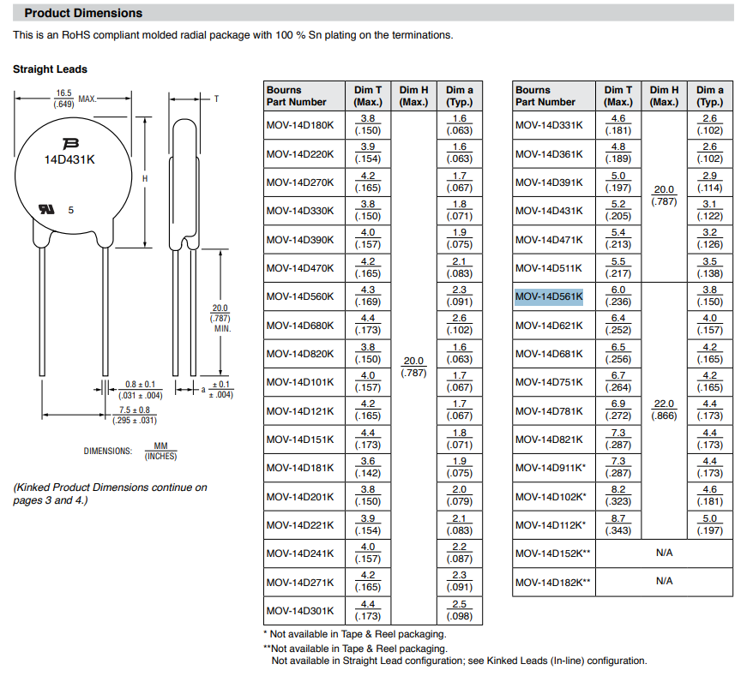 |  |  | 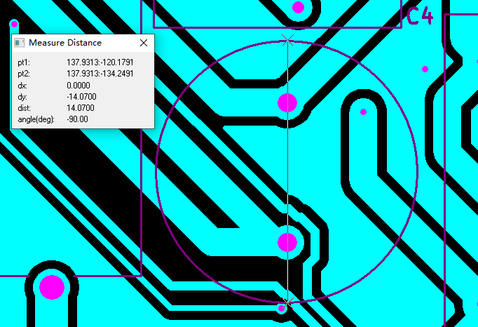
30 | PBO-5F-12 | PBO-5F-12_PP_Try2:PBO-5F-12_pp2 | PBO-5F-12『 』12V 5W『 』AC-DC, 5 W, 12 VDC, SINGLE OUTPU | PS1 | 1 | 3 | The lead pitch does not match related hole spacing and the part could not be soldered. Pls advise. | ok. Do not solder the part. Send the parts with the shipment unsoldered. | 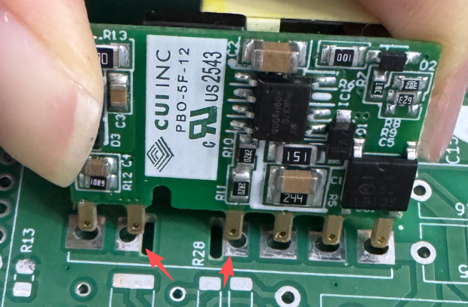 |  |  | 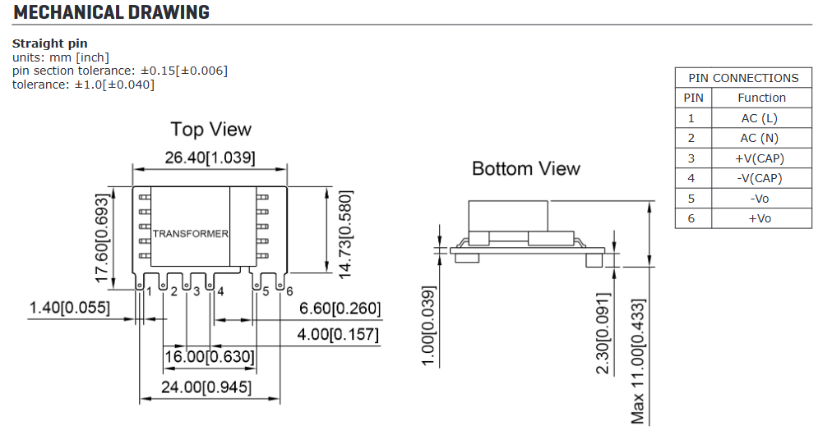 |  | 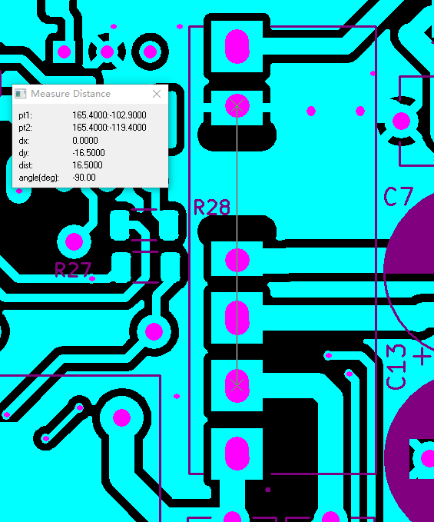 | 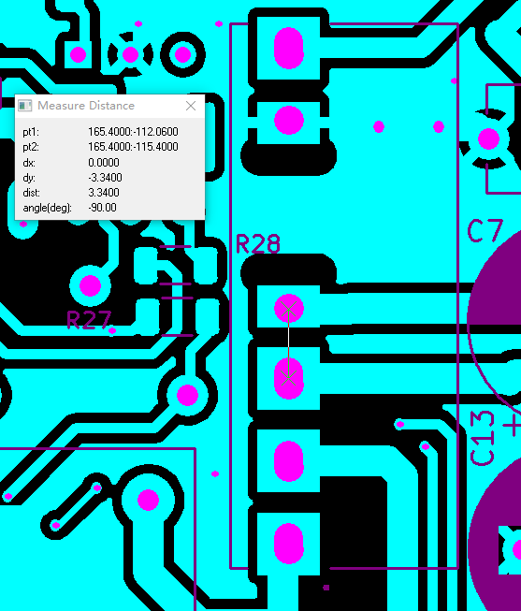 | 